5.
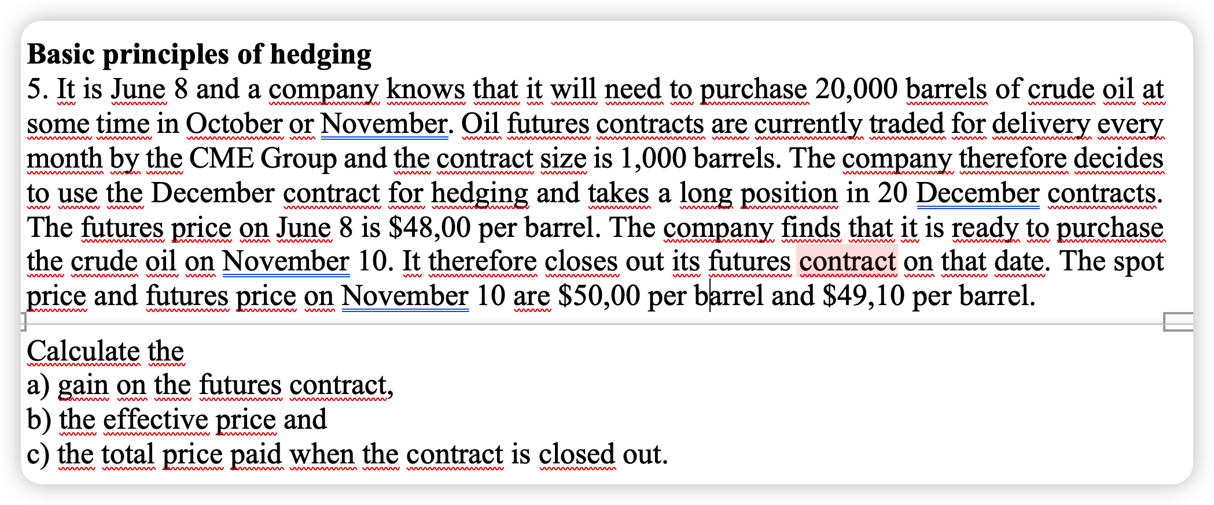

contract size | 1,000 | barrels
position | Long
contracts number | 20
FDec20-Jun8(Jun8) | 48 | $
S(Nov10) | 50 | $
FDec20-Nov10(Nov10) | 49.1 | $

 | General rule
fut(t) = | FT-t(t) - FT(0)

fut(Nov10) = | FDec20-Nov10(Nov10)- FDec20-Jun8(Jun8)

a) | Value of the futures contract/Gain on the future contract
fut(Nov10) = | 1.10 | $/barrel

b) | Effective price
 | 48.90 | $/barrel | spot price June 8 | 50
 |  |  | 2026-11-10 | 49.1
c) | Total price paid |  | Future price | 48
 | 978,000 | $ | a | 1.1
 |  |  | b | 48.9
 |  |  | c | 978

